API request vs reposnse
Scenario 1 Request and response using Restlet DHC | Using Advanced Rest tool the Array size is 48 = number of states
Request sent with url and respose returned with 200 to confirm the retreival success
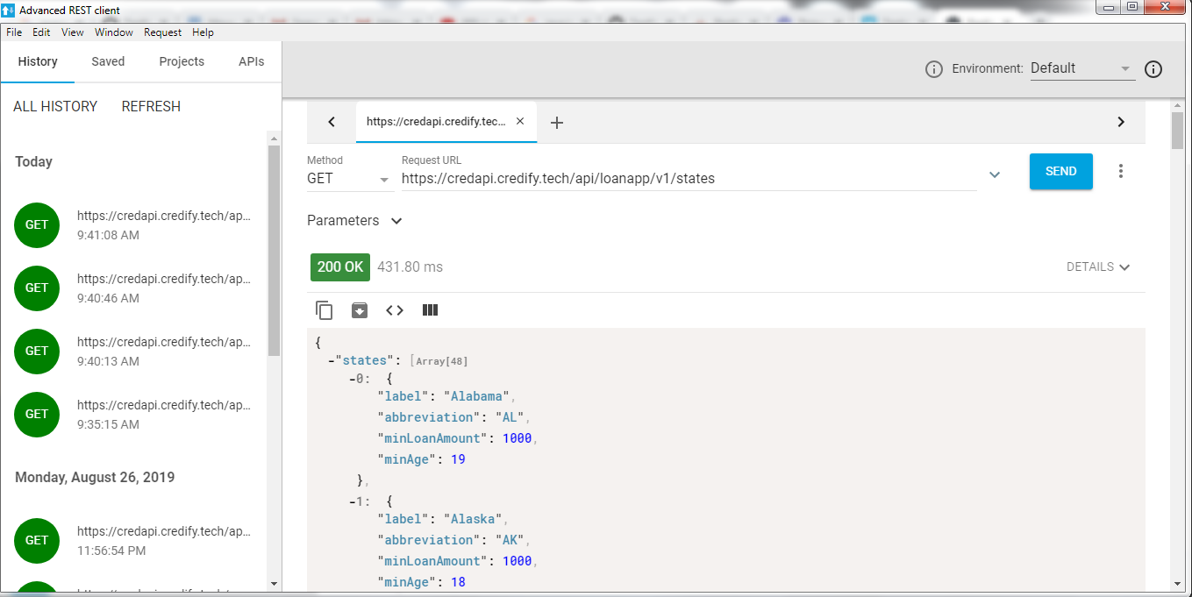
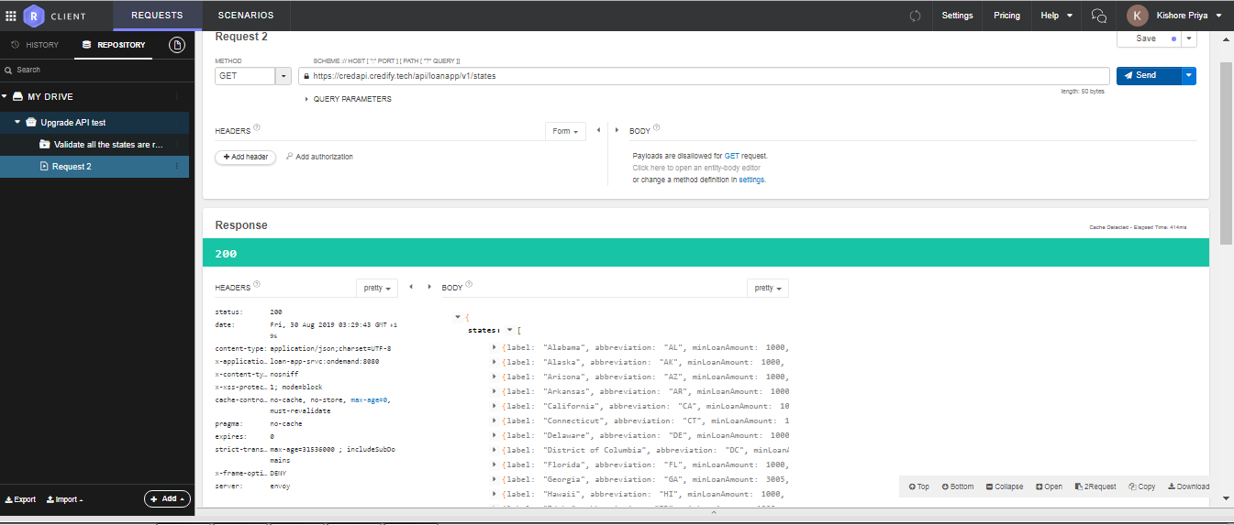

 | Partial body tested with the assertions of body contains Minimum age 19 Albama
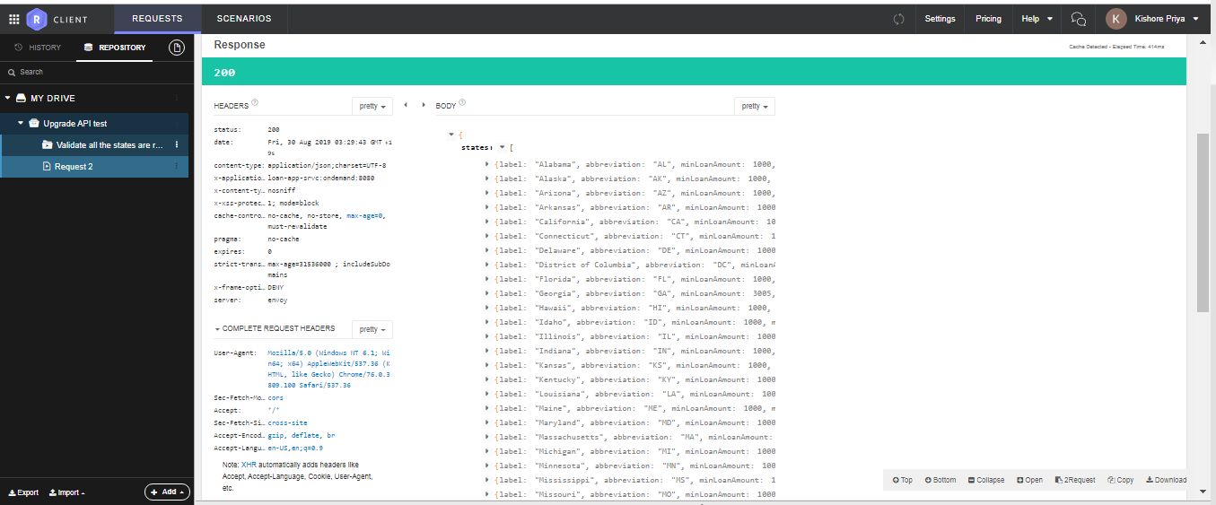
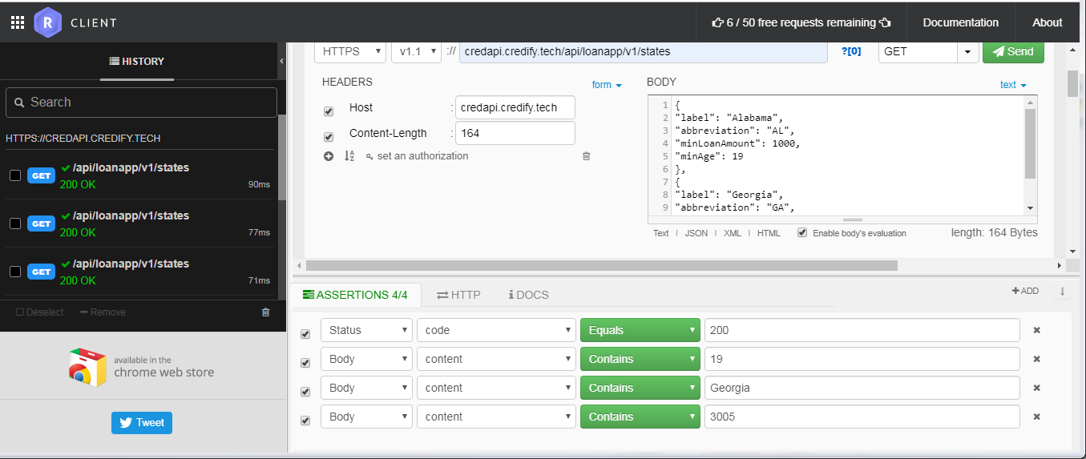

Queried with label content as 48 returned a resonse of 200 which is again pass
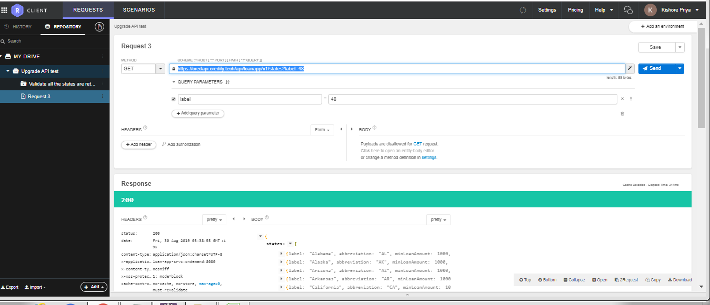

minAge"

Scenaio 2 Alabama 19
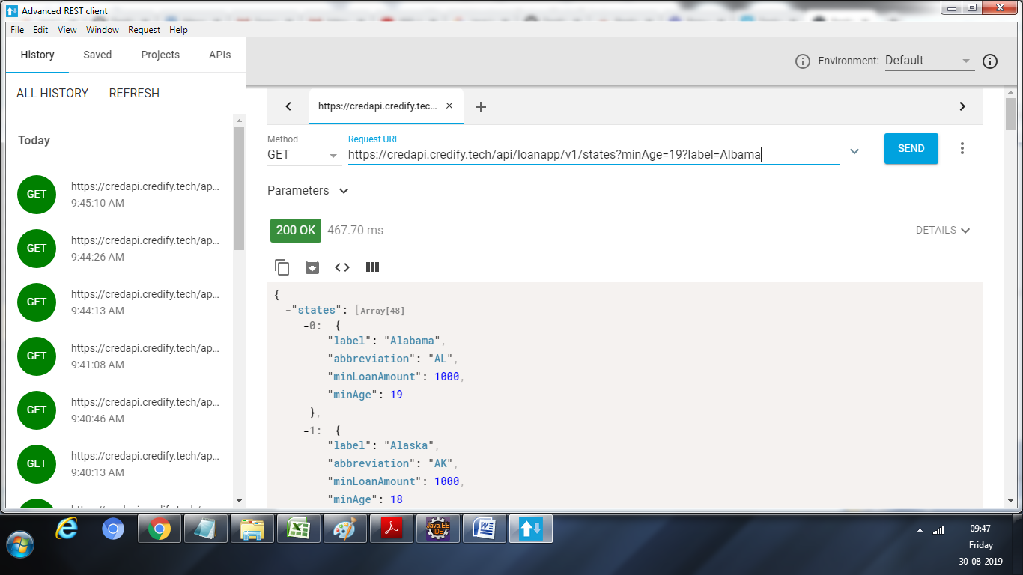
When the query parmetets were given as Alabama with Min Age =19 Response received a s below

Min age inavlid age valid loan
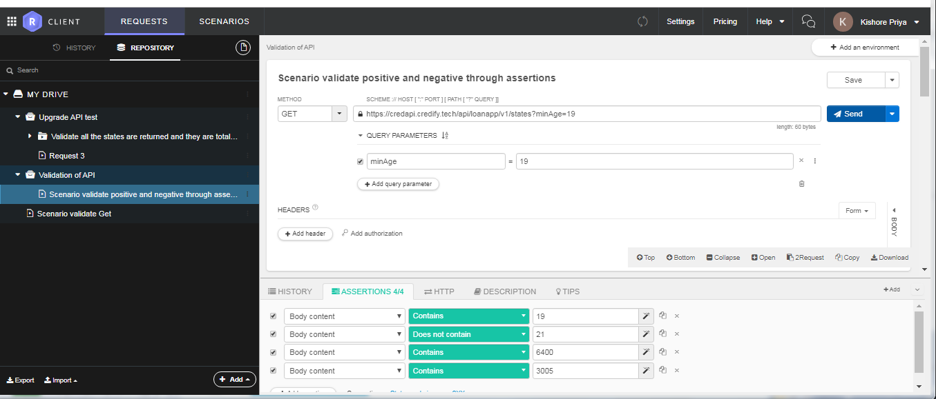
Scenario3
Scenario validate positive and negative through assertions

Negative validations
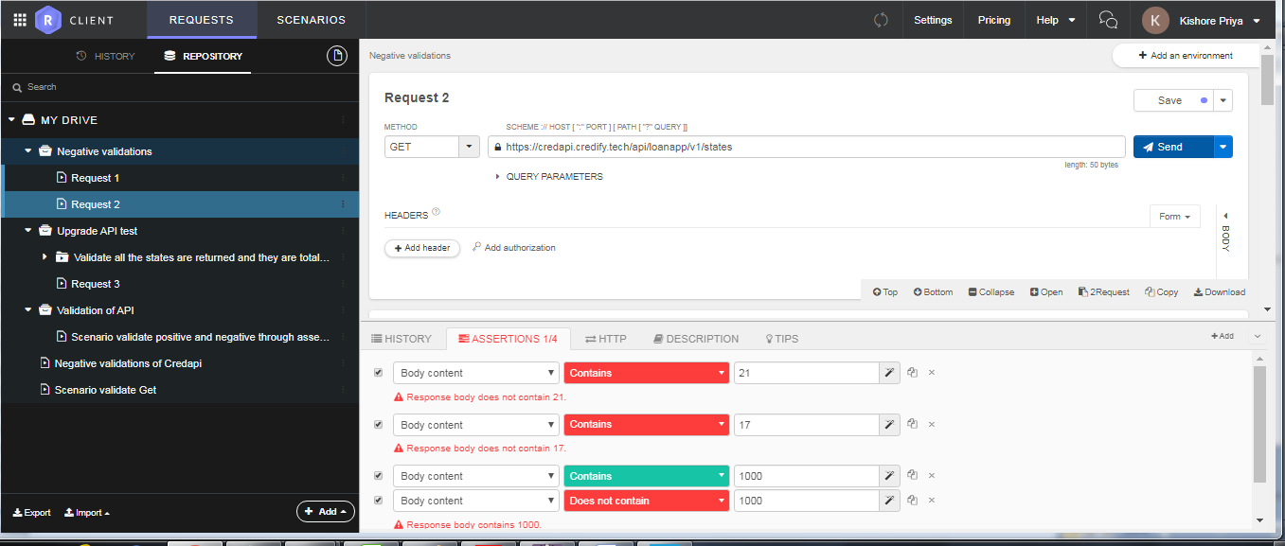
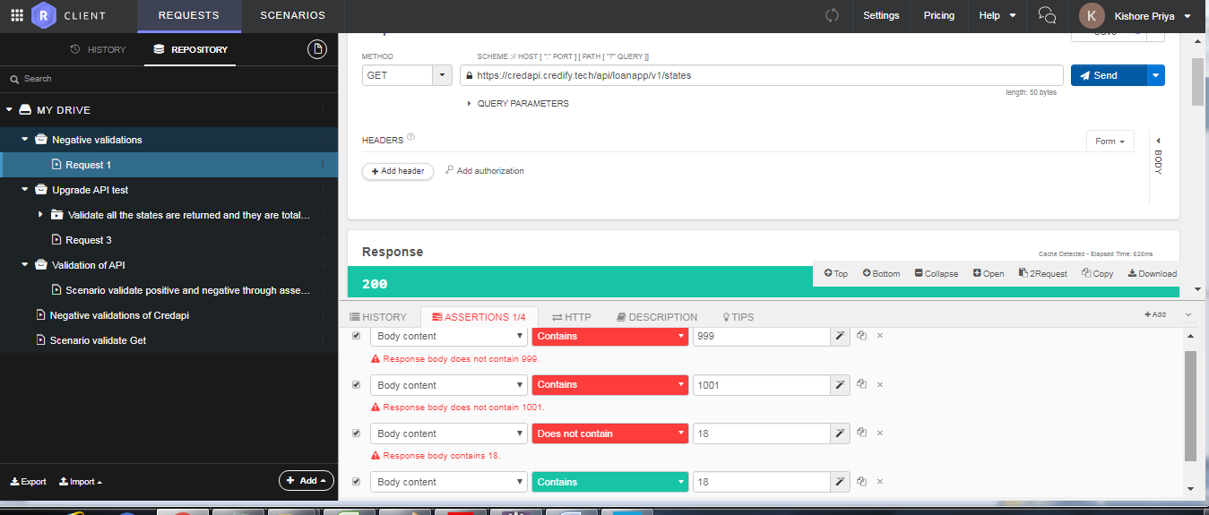
Scenario 4
Negative and ositive validations of Credapi

